ak4497
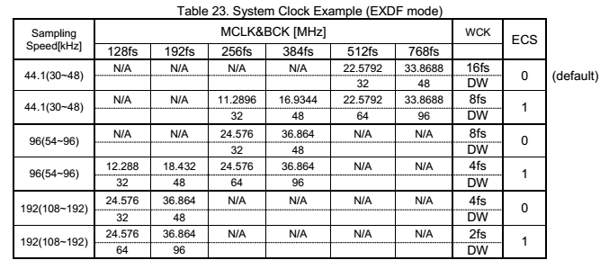
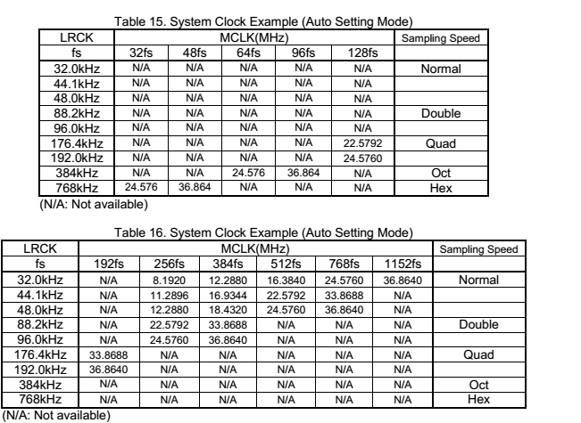
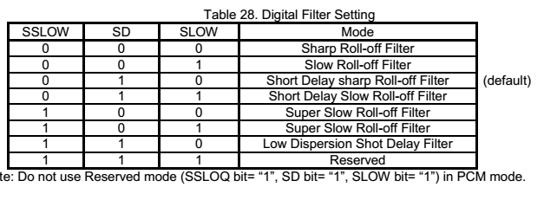
AK4497

 |  | 寄存器格式 |  |  | C1=0 |  | R/W |  | A5-A0
 |  |  |  |  | chip address |  | 0R/1W |  | Regsitor |  |  |  | ctrl data
 |  |  |  |  | 7 | 6 | 5 | 4 | 3 | 2 | 1 | 0 | 7 | 6 | 5 | 4 | 3 | 2 | 1 | 0
 |  | CDTI |  |  | C1 | C0 | R/W | A4 | A3 | A2 | A1 | A0 | D7 | D6 | D5 | D4 | D3 | D2 | D1 | D0
 |  | 地址hex | 控制数据hex | 功能说明 | Chip addr |  | R/W | Register Address |  |  |  |  | Data |  |  |  |  |  |  |  | D7 | D6 | D5 | D4 | D3 | D2 | D1 | D0
 |  | 20 | C7 | Control 1 | 0 | 0 | 1 | 0 | 0 | 0 | 0 | 0 | 1 | 1 | 0 | 0 | 0 | 1 | 1 | 1 | ACKS | EXDF | ECS | AFSD | DIF2 | DIF1 | DIF0 | RSTN
 |  | 21 | EA | Control 2 | 0 | 0 | 1 | 0 | 0 | 0 | 0 | 1 | 1 | 1 | 1 | 0 | 1 | 0 | 1 | 0 | DZFE | DZFM | SD | DFS1 | DFS0 | DEM1 | DEM0 | SMUTE
 | L=0x08 R=0X0A | 22 | 8 | Control 3 | 0 | 0 | 1 | 0 | 0 | 0 | 1 | 0 | 0 | 0 | 0 | 0 | 1 | 0 | 0 | 0 | DP | 0 | DCKS | DCKB | MONO | DZFB | SELLR | SLOW
 |  | 23 | FF | Lch ATT | 0 | 0 | 1 | 0 | 0 | 0 | 1 | 1 | 1 | 1 | 1 | 1 | 1 | 1 | 1 | 1 | ATT7 | ATT6 | ATT5 | ATT4 | ATT3 | ATT2 | ATT1 | ATT0
 |  | 24 | FF | Rch ATT | 0 | 0 | 1 | 0 | 0 | 1 | 0 | 0 | 1 | 1 | 1 | 1 | 1 | 1 | 1 | 1 | ATT7 | ATT6 | ATT5 | ATT4 | ATT3 | ATT2 | ATT1 | ATT0
 |  | 25 | 3 | Control4 | 0 | 0 | 1 | 0 | 0 | 1 | 0 | 1 | 0 | 0 | 0 | 0 | 0 | 0 | 1 | 1 | INVL | INVR | 0 | 0 | 0 | 0 | DFS2 | SSLOW
 |  | 26 | 0 | DSD1 | 0 | 0 | 1 | 0 | 0 | 1 | 1 | 0 | 0 | 0 | 0 | 0 | 0 | 0 | 0 | 0 | DDM | DML | DMR | DMC | DMRE | 0 | DSDD | DSDSEL0
 |  | 27 | 9 | Control5 | 0 | 0 | 1 | 0 | 0 | 1 | 1 | 1 | 0 | 0 | 0 | 0 | 1 | 0 | 0 | 1 | 0 | 0 | 0 | 0 | GC2 | GC1 | GC0 | SYNCE
 |  | 28 | 4 | SoundControl | 0 | 0 | 1 | 0 | 1 | 0 | 0 | 0 | 0 | 0 | 0 | 0 | 0 | 1 | 0 | 0 | 0 | 0 | 0 | 0 | HLOAD | SC2 | SC1 | SC0
 |  | 29 | 0 | DSD2 | 0 | 0 | 1 | 0 | 1 | 0 | 0 | 1 | 0 | 0 | 0 | 0 | 0 | 0 | 0 | 0 | 0 | 0 | 0 | 0 | 0 | DSDPATH | DSDF | DSDSEL1
 |  | 2A | 4 | Control 7 | 0 | 0 | 1 | 0 | 1 | 0 | 1 | 0 | 0 | 0 | 0 | 0 | 0 | 1 | 0 | 0 | TDM1 | TDM0 | SDS1 | SDS2 | 0 | PW | 0 | 0
 |  | 2B | 1 | Control 8 | 0 | 0 | 1 | 0 | 1 | 0 | 1 | 1 | 0 | 0 | 0 | 0 | 0 | 0 | 0 | 1 | ATS1 | ATS0 | 0 | SDS0 | 0 | 0 | DCHAIN | TEST
 |  | 15 | 5 | ADFS Read | 0 | 0 | 0 | 1 | 0 | 1 | 0 | 1 | 0 | 0 | 0 | 0 | 0 | 1 | 0 | 1 | 0 | 0 | 0 | 0 | 0 | 0 | 0 | 0
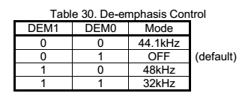
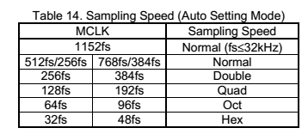
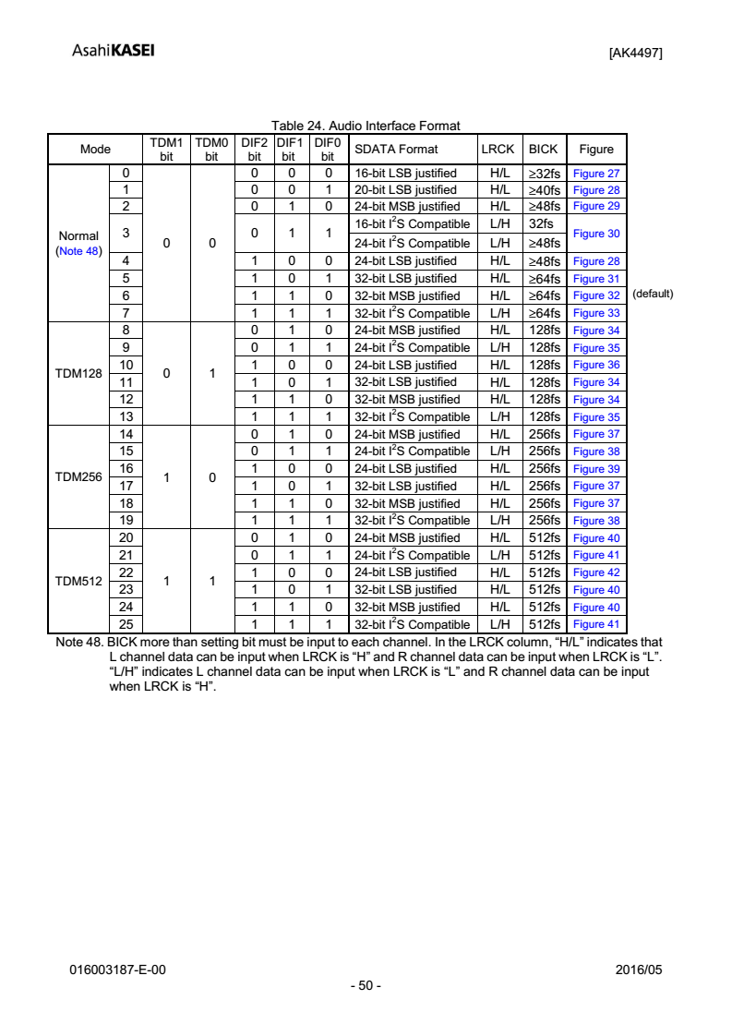
 | LCH Registor | U11 | RCH Registor | U8
 | ADDR | DATA | ADDR | DATA
 | 地址hex | 控制数据hex | 地址hex | 控制数据hex
 | 20 | C6 | 20 | C6
 | 21 | EA | 21 | EA
 | 22 | 8 | 22 | 0A
 | 23 | FF | 23 | FF
 | 24 | FF | 24 | FF
 | 25 | 3 | 25 | 3
 | 26 | 0 | 26 | 0
 | 27 | 9 | 27 | 9
 | 28 | 4 | 28 | 4
 | 29 | 0 | 29 | 0
 | 2A | 4 | 2A | 4
 | 2B | 1 | 2B | 1

ak4118up2024
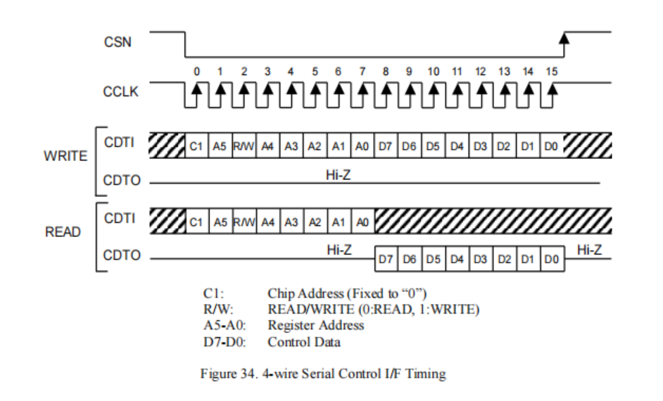
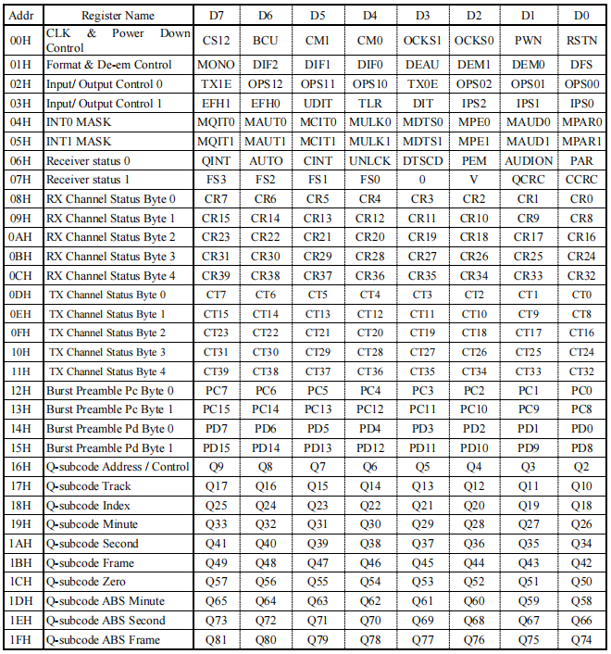
 |  | ChipAddr | Reg | RW | Reg | reg | reg | reg | reg |  |  | Control Data
 |  | 7 | 6 | 5 | 4 | 3 | 2 | 1 | 0 | ADDR | DATA | 7 | 6 | 5 | 4 | 3 | 2 | 1 | 0
 |  | C1 | A5 | 0R/1W | A4 | A3 | A2 | A1 | A0 | HEX |  | D7 | D6 | D5 | D4 | D3 | D2 | D1 | D0
00H | CLK&Power down control | 0 | 0 | 0 | 0 | 0 | 0 | 0 | 0 | 0 | 63 | CS12 | BCU | CM1 | CM0 | OCKS1 | OCKS0 | PWN | PSTN
 |  |  |  |  |  |  |  |  |  |  |  | 0 | 1 | 1 | 0 | 0 | 0 | 1 | 1
01H | Format & DE-em control | 0 | 0 | 0 | 0 | 0 | 0 | 0 | 1 | 1 | 5A | MONO | DIF2 | DIF1 | DIF0 | DEAU | DEM1 | DEM0 | DFS
 |  |  |  |  |  |  |  |  |  |  |  | 0 | 1 | 0 | 1 | 1 | 0 | 1 | 0
02H | Input/output control 0 | 0 | 0 | 0 | 0 | 0 | 0 | 1 | 0 | 2 | 88 | TX1E | OPS12 | OPS11 | OPS10 | TX0E | OPS02 | OPS01 | OPS00
 |  |  |  |  |  |  |  |  |  |  |  | 1 | 0 | 0 | 0 | 1 | 0 | 0 | 0
03H | Input/output control 1 | 0 | 0 | 0 | 0 | 0 | 0 | 1 | 1 | 3 | 48 | EFH1 | EFH0 | UDIT | TLR | DIT | IPS2 | IPS1 | IPS0
 |  |  |  |  |  |  |  |  |  |  |  | 0 | 1 | 0 | 0 | 1 | 0 | 0 | 0
04H | INT0 MASK | 0 | 0 | 0 | 0 | 0 | 1 | 0 | 0 | 4 | EE | MQIT0 | MAUT0 | MCIT0 | MULK0 | MDTS0 | MPE0 | MAUD0 | MPAR0
 |  |  |  |  |  |  |  |  |  |  |  | 1 | 1 | 1 | 0 | 1 | 1 | 1 | 0
05H | INT1 MASK | 0 | 0 | 0 | 0 | 0 | 1 | 0 | 1 | 5 | B5 | MQIT1 | MAUT1 | MCIT1 | MULK1 | MDTS1 | MPE1 | MAUD1 | MPAR1
 |  |  |  |  |  |  |  |  |  |  |  | 1 | 0 | 1 | 1 | 0 | 1 | 0 | 1
06H | Receiver status 0 | 0 | 0 | 0 | 0 | 0 | 1 | 1 | 0 | 6 |  | QINT | AUTO | CINT | UNLCK | DTSCD | PEM | AUDION | PAR
07H | Receiver status 1 | 0 | 0 | 0 | 0 | 0 | 1 | 1 | 1 | 7 |  | FS3 | FS2 | FS1 | FS0 | 0 | V | QCRC | CCRC

08H | RX channel status Byte 0 | 0 | 0 | 0 | 0 | 1 | 0 | 0 | 0 | 8 |  | CR7 | CR6 | CR5 | CR4 | CR3 | CR2 | CR1 | CR0
09H | RX channel status Byte 1 | 0 | 0 | 0 | 0 | 1 | 0 | 0 | 1 | 9 |  | CR15 | CR14 | CR13 | CR12 | CR11 | CR10 | CR9 | CR8
0AH | RX channel status Byte 2 | 0 | 0 | 0 | 0 | 1 | 0 | 1 | 0 | A |  | CR23 | CR22 | CR21 | CR20 | CR19 | CR18 | CR17 | CR16
0BH | RX channel status Byte 3 | 0 | 0 | 0 | 0 | 1 | 0 | 1 | 1 | B |  | CR31 | CR30 | CR29 | CR28 | CR27 | CR26 | CR25 | CR24
0CH | RX channel status Byte 4 | 0 | 0 | 0 | 0 | 1 | 1 | 0 | 0 | C |  | CR39 | CR38 | CR37 | CR36 | CR35 | CR34 | CR33 | CR32
0DH | TX channel status Byte 0 | 0 | 0 | 0 | 0 | 1 | 1 | 0 | 1 | D |  | CT7 | CT6 | CT5 | CT4 | CT3 | CT2 | CT1 | CT0
0EH | TX channel status Byte 1 | 0 | 0 | 0 | 0 | 1 | 1 | 1 | 0 | E |  | CT15 | CT14 | CT13 | CT12 | CT11 | CT10 | CT9 | CT8
0FH | TX channel status Byte 2 | 0 | 0 | 0 | 0 | 1 | 1 | 1 | 1 | F |  | CT23 | CT22 | CT21 | CT20 | CT19 | CT18 | CT17 | CT16
10h | TX channel status Byte 3 | 0 | 0 | 0 | 1 | 0 | 0 | 0 | 0 | 10 |  | CT31 | CT30 | CT29 | CT28 | CT27 | CT26 | CT25 | CT24
11h | TX channel status Byte 4 | 0 | 0 | 0 | 1 | 0 | 0 | 0 | 1 | 11 |  | CT39 | CT38 | CT37 | CT36 | CT35 | CT34 | CT33 | CT32
12h | Burst Preamble PC Byte0 | 0 | 0 | 0 | 1 | 0 | 0 | 1 | 0 | 12 |  | PC7 | PC6 | PC5 | PC4 | PC3 | PC2 | PC1 | PC0
13h | Burst Preamble PC Byte1 | 0 | 0 | 0 | 1 | 0 | 0 | 1 | 1 | 13 |  | PC15 | PC14 | PC13 | PC12 | PC11 | PC10 | PC9 | PC8
14h | Burst Preamble PD Byte0 | 0 | 0 | 0 | 1 | 0 | 1 | 0 | 0 | 14 |  | PD7 | PD6 | PD5 | PD4 | PD3 | PD2 | PD1 | PD0
15h | Burst Preamble PD Byte1 | 0 | 0 | 0 | 1 | 0 | 1 | 0 | 1 | 15 |  | PD15 | PD14 | PD13 | PD12 | PD11 | PD10 | PD9 | PD8
16h | Q-subcode Address / control | 0 | 0 | 0 | 1 | 0 | 1 | 1 | 0 | 16 |  | Q9 | Q8 | Q7 | Q6 | Q5 | Q4 | Q3 | Q2
17h | Q-subcode Track | 0 | 0 | 0 | 1 | 0 | 1 | 1 | 1 | 17 |  | Q17 | Q16 | Q15 | Q14 | Q13 | Q12 | Q11 | Q10
18h | Q-subcode Index | 0 | 0 | 0 | 1 | 1 | 0 | 0 | 0 | 18 |  | Q25 | Q24 | Q23 | Q22 | Q21 | Q20 | Q19 | Q18
19h | Q-subcode Minute | 0 | 0 | 0 | 1 | 1 | 0 | 0 | 1 | 19 |  | Q33 | Q32 | Q31 | Q30 | Q29 | Q28 | Q27 | Q26
1Ah | Q-subcode Second | 0 | 0 | 0 | 1 | 1 | 0 | 1 | 0 | 1A |  | Q41 | Q40 | Q39 | Q38 | Q37 | Q36 | Q35 | Q34
1Bh | Q-subcode Frame | 0 | 0 | 0 | 1 | 1 | 0 | 1 | 1 | 1B |  | Q49 | Q48 | Q47 | Q46 | Q45 | Q44 | Q43 | Q42
1Ch | Q-subcode Zero | 0 | 0 | 0 | 1 | 1 | 1 | 0 | 0 | 1C |  | Q57 | Q56 | Q55 | Q54 | Q53 | Q52 | Q51 | Q50
1Dh | Q-subcode ABS Minute | 0 | 0 | 0 | 1 | 1 | 1 | 0 | 1 | 1D |  | Q65 | Q64 | Q63 | Q62 | Q61 | Q60 | Q59 | Q58
1Eh | Q-subcode ABS Second | 0 | 0 | 0 | 1 | 1 | 1 | 1 | 0 | 1E |  | Q73 | Q72 | Q71 | Q70 | Q69 | Q68 | Q67 | Q66
1Fh | Q-subcode ABS Frame | 0 | 0 | 0 | 1 | 1 | 1 | 1 | 1 | 1F |  | Q81 | Q80 | Q79 | Q78 | Q77 | Q76 | Q75 | Q74
 |  |  |  | 0
20H | GPE | 0 | 0 | 1 | 0 | 0 | 0 | 0 | 0 | 20 | 77 | GPE | RXDETE | VINE | FAST | EXCKMD | DCNT | DST16 | DST14
 |  |  |  | 0 |  |  |  |  |  |  |  | 0 | 1 | 1 | 1 | 0 | 1 | 1 | 1
21H | GPDR | 0 | 0 | 1 | 0 | 0 | 0 | 0 | 1 | 21 | 0 | IO7 | IO6 | IO5 | IO4 | IO3 | IO2 | IO1 | IO0
 |  |  |  | 0 |  |  |  |  |  |  |  | 0 | 0 | 0 | 0 | 0 | 0 | 0 | 0
22H | GPSCR | 0 | 0 | 1 | 0 | 0 | 0 | 1 | 0 | 22 | 0 | CS7 | CS6 | CS5 | CS4 | CS3 | CS2 | CS1 | CS0
 |  |  |  | 0 |  |  |  |  |  |  |  | 0 | 0 | 0 | 0 | 0 | 0 | 0 | 0
23H | GPLR | 0 | 0 | 1 | 0 | 0 | 0 | 1 | 1 | 23 | 0 | CPL7 | CPL6 | CPL5 | CPL4 | CPL3 | CPL2 | CPL1 | CPL0
 |  |  |  | 0 |  |  |  |  |  |  |  | 0 | 0 | 0 | 0 | 0 | 0 | 0 | 0
24H | DAT Mask & DTS detect | 0 | 0 | 1 | 0 | 0 | 1 | 0 | 0 | 24 | 3F | XMCK | DIV | MDR1 | MDR0 | MSTSC1 | MSTSC0 | MDAT1 | MDAT0
 |  |  |  | 0 |  |  |  |  |  |  |  | 0 | 0 | 1 | 1 | 1 | 1 | 1 | 1
25H | RX detect | 0 | 0 | 1 | 0 | 0 | 1 | 0 | 1 | 25 | FF | RXDE7 | RXDE6 | RXDE5 | RXDE4 | RXDE3 | RXDE2 | RXDE1 | RXDE0
 |  |  |  | 0 |  |  |  |  |  |  |  | 1 | 1 | 1 | 1 | 1 | 1 | 1 | 1
26H | STC & DAT detect | 0 | 0 | 1 | 0 | 0 | 1 | 1 | 0 | 26 | 3 | 0 | 0 | 0 | 0 | 0 | 0 | STC | DAT
 |  |  |  | 0 |  |  |  |  |  |  |  | 0 | 0 | 0 | 0 | 0 | 0 | 1 | 1
27H | RX Channel status byte 5 | 0 | 0 | 1 | 0 | 0 | 1 | 1 | 1 | 27 |  | 0 | 0 | 0 | 0 | 0 | 0 | CR41 | CR40
 |  |  |  | 0
28H | TX Channel status byte 5 | 0 | 0 | 1 | 0 | 1 | 0 | 0 | 0 | 28 | 20 | 0 | 1 | 0 | 0 | 0 | 0 | CT41 | CT40

